Unit 4
Mini-case 4.1. |  |  |  |  |  |  |  | Assets | Correlation with |  |  |  | Mean return | Standard deviation
TASK A |  |  |  |  |  |  |  |  | GOLD | STOCKS | REIT | BONDS
Covariance matrix |  |  |  |  | Weights |  |  | GOLD | 1 | 0.1 | 0.2 | 0.45 | 0.1314 | 0.1399
 | GOLD | STOCKS | REIT | BONDS |  |  |  | STOCKS | 0.1 | 1 | 0.78 | 0.12 | 0.1363 | 0.1528
GOLD | 0.01957201 | 0.002137672 | 0.004865722 | 0.003386979 | 0.25 |  |  | REIT | 0.2 | 0.78 | 1 | 0.34 | 0.0426 | 0.1739
STOCKS | 0.002137672 | 0.02334784 | 0.0207260976 | 0.0009864768 | 0.25 |  |  | BONDS | 0.45 | 0.12 | 0.34 | 1 | 0.0124 | 0.0538
REIT | 0.004865722 | 0.0207260976 | 0.03024121 | 0.0031809788 | 0.25
BONDS | 0.003386979 | 0.0009864768 | 0.0031809788 | 0.00289444 | 0.25
E(Rp~) | 0.080675
var(Rp~) | 0.009163959525

TASK B
Minimum-variance portfolio |  | Our minimum-variance portfolio possesses the variance of 0,0027444. Such a portfolio allocates 92,14% into the bonds and another 7,86% into stocks
Assets | Weights
GOLD | -0.027914457257
STOCKS | 0.20822058916
REIT | -0.16074759021
BONDS | 0.98044145831
Constraint | 1
Target | 1
min var(Rp~) | 0.0024373535704

Mini-case 4.2.
TASK A
Minimum-variance portfolio by means of the marginal variance approach
Assets | Weights | Cov(r~_, R~p) | Target | Rescaled weights
GOLD | -11.452690226 | 1.0000000093 | 1 | -0.027914227793
STOCKS | 85.429057455 | 1.0000000257 | 1 | 0.20822061217
REIT | -65.951571821 | 0.99999997539 | 1 | -0.16074714
BONDS | 402.25666791 | 1.000001 | 1 | 0.98044075562
∑ (a-b)^2 | 1.0013526327E-12

TASK B
Mean return and variance of the portfolio
E(Rp) | 0.030022177113
min var(Rp~) | 0.0024373535704

Mini-case 4.4.
TASK A
Identification of the tangency portfolio
Assets | Weights | cov(r~_,R~p) | E(r_) | r (risk-free) | Risk-premium | Rescaled weights | Cov(r~_, R~T) new
GOLD | 7.3720255694 | 0.1264 | 0.1314 | 0.005 | 0.1264 | 0.71809155378 | 0.012312324685
STOCKS | 12.354193888 | 0.1313 | 0.1363 | 0.005 | 0.1313 | 1.2033927719 | 0.012789622082
REIT | -8.2864085226 | 0.0376 | 0.0426 | 0.005 | 0.0376 | -0.80715943199 | 0.0036625269633
BONDS | -1.1736749096 | 0.0074 | 0.0124 | 0.005 | 0.0074 | -0.11432489369 | 0.00072081647682

E(Rp) | 2.2850062148
Var(Rp~) | 2.2336755346
Sharpe Ratio | 1.5255483871

TASK B
E(Rp) | 0.22257704449
Var(Rp~) | 0.021193664682
Sharpe Ratio | 1.4945486056

Mini-case 4.5.
TASK A: efficient frontier diagram
Identification of the efficient frontier |  |  |  |  |  |  | Covariance table
Weight V | Weight T | E(Rp) | Standard deviation (Rp~) |  |  |  |  | Min-var | Tangency
2 | -1 | -0.16253269027 | 0.14558044059 |  |  |  | Min-var | 0.0024373535704 | 0.0024373535704
1.9 | -0.9 | -0.14327720353 | 0.13277788058 |  |  |  | Tangency | 0.0024373535704 | 0.021193664682
1.8 | -0.8 | -0.12402171679 | 0.12017234575
1.7 | -0.7 | -0.10476623005 | 0.10783295422 |  |  |  | TASK A: Plotting the tangency portfolio
1.6 | -0.6 | -0.085510743314 | 0.09586253476
1.5 | -0.5 | -0.066255256576 | 0.084418193231 |  |  |  | Additional data
1.4 | -0.4 | -0.046999769838 | 0.073745259836 |  |  |  | E(Rp) | 0.22257704449
1.3 | -0.3 | -0.027744283101 | 0.064229444731 |  |  |  | σ T | 0.14558044059
1.2 | -0.2 | -0.0084887963626 | 0.056458887829
1.1 | -0.1 | 0.010766690375 | 0.051233940718 |  |  |  | TASK A: Plotting the CML
1 | 0 | 0.030022177113 | 0.049369561173 |  |  |  |  | Return | st.dev
0.9 | 0.1 | 0.049277663851 | 0.051233940718 |  |  |  | Risk-free | 0.005 | 0
0.8 | 0.2 | 0.068533150589 | 0.056458887829 |  |  |  | Tangency | 0.2225770 | 0.14558044059
0.7 | 0.3 | 0.087788637327 | 0.064229444731 |  |  |  | a Portfolio P | 0.10704412406 | 0.073745259836
0.6 | 0.4 | 0.10704412406 | 0.073745259836
Feasible set on the mean-st.dev. diagram
0.5 | 0.5 | 0.1262996108 | 0.084418193231
0.4 | 0.6 | 0.14555509754 | 0.09586253476
0.3 | 0.7 | 0.16481058428 | 0.10783295422
0.2 | 0.8 | 0.18406607102 | 0.12017234575
0.1 | 0.9 | 0.20332155775 | 0.13277788058
0 | 1 | 0.22257704449 | 0.14558044059
-0.1 | 1.1 | 0.24183253123 | 0.1585322996
-0.2 | 1.2 | 0.26108801797 | 0.17159965493
-0.3 | 1.3 | 0.28034350471 | 0.18475800212
-0.4 | 1.4 | 0.29959899144 | 0.19798920008
-0.5 | 1.5 | 0.31885447818 | 0.2112795626
-0.6 | 1.6 | 0.33810996492 | 0.22461858787
-0.7 | 1.7 | 0.35736545166 | 0.23799809386
-0.8 | 1.8 | 0.3766209384 | 0.25141161781
-0.9 | 1.9 | 0.39587642513 | 0.26485399125
-1 | 2 | 0.41513191187 | 0.27832103409

TASK B
Covariance (r_, Rt~) and β
 | cov(r~_,R~T) | beta-factor
GOLD | 0.012312324685 | 0.58094363905
STOCKS | 0.012789622082 | 0.6034643972
REIT | 0.0036625269633 | 0.17281234832
BONDS | 0.00072081647682 | 0.034010940894
Equaly weighted portfolio |  | 0.34780783137
cov(r~_,R~T): Covariance of each asset in the Tangency portfolio T considering rescaled weights

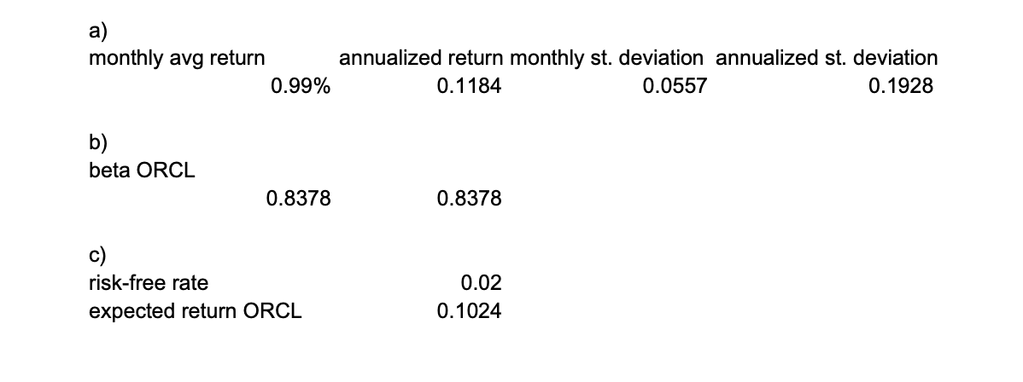
 |  |  |  |  |  |  |  |  |  |  |  |  | The correct answers
Mini-case 4.6. |  |  |  |  | General data
TASK A
Portfolio of all 4 Stocks |  |  |  |  | Assets | Correlation with |  |  |  | Mean return | Standard deviation
Asset | Weights |  |  |  |  | ORCL | CVX | TGT | BAC
ORCL | 0.25 |  |  |  | ORCL | 1 | 0.337703348 | 0.274718282 | 0.430108837 | 0.0131231 | 0.2367674
CVX | 0.25 |  |  |  | CVX | 0.337703348 | 1 | 0.262356185 | 0.548870338 | 0.004289247 | 0.257424305
TGT | 0.25 |  |  |  | TGT | 0.274718282 | 0.262356185 | 1 | 0.301932057 | 0.009102775 | 0.289087939
BAC | 0.25 |  |  |  | BAC | 0.430108837 | 0.548870338 | 0.301932057 | 1 | 0.012940815 | 0.286297968

E(Rp) | 0.00986398425 |  |  |  | Covariance matrix |  |  |  |  |  | cov(r_,Rp)
σ P | 0.05566261088 |  |  |  |  | ORCL | CVX | TGT | BAC
 |  |  |  |  | ORCL | 0.00467157 | 0.00171524 | 0.00156696 | 0.00242961 |  | 0.002595845
TASK B |  |  |  |  | CVX | 0.00171524 | 0.00552227 | 0.00162701 | 0.00337098 |  | 0.003058875
β (BAC) | 1.1872208422 |  |  |  | TGT | 0.00156696 | 0.00162701 | 0.00696432 | 0.00208246 |  | 0.0030601875
 |  |  |  |  | BAC | 0.00242961 | 0.00337098 | 0.00208246 | 0.00683054 |  | 0.0036783975
TASK C
Risk-free return | 0.02
E(r-BAC)) | 0.0079663108445

